Screens - TA1 - TC1
1. Update/View/download temple

Screens | Test Results
Test case 1
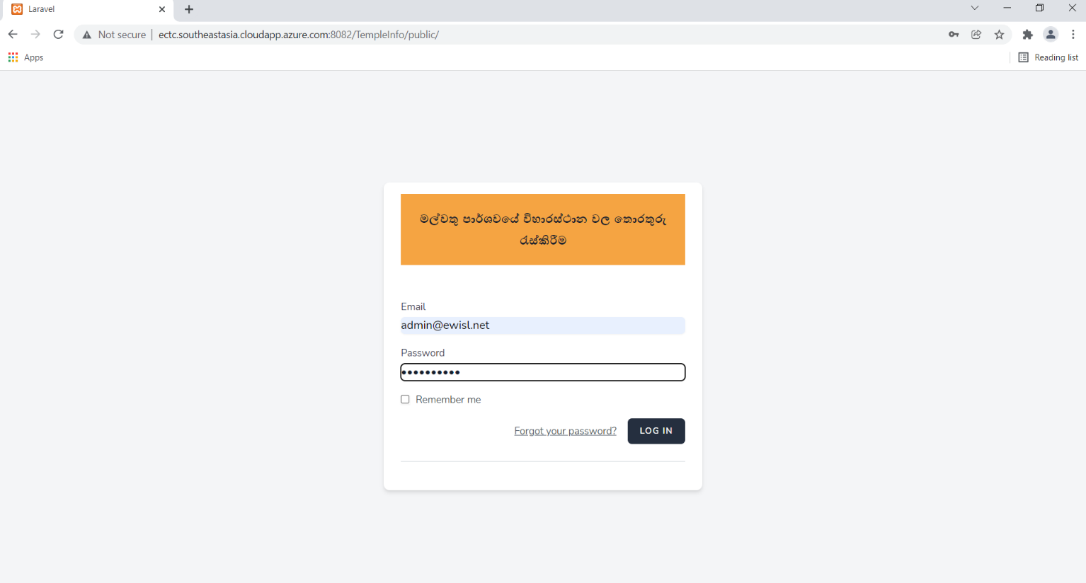 | Fail
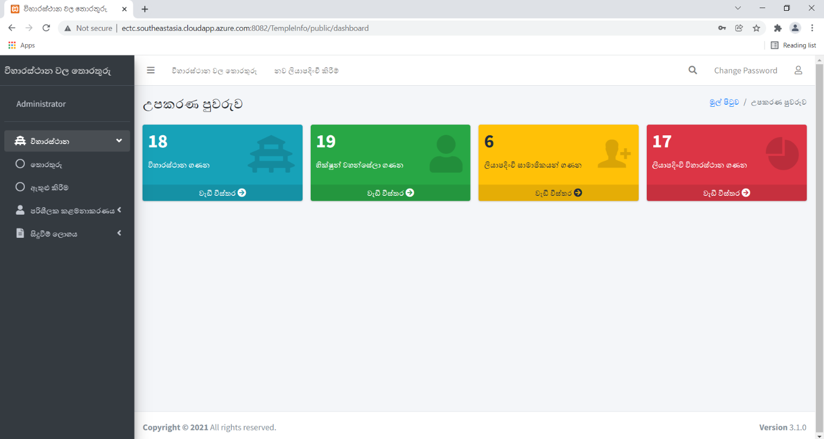
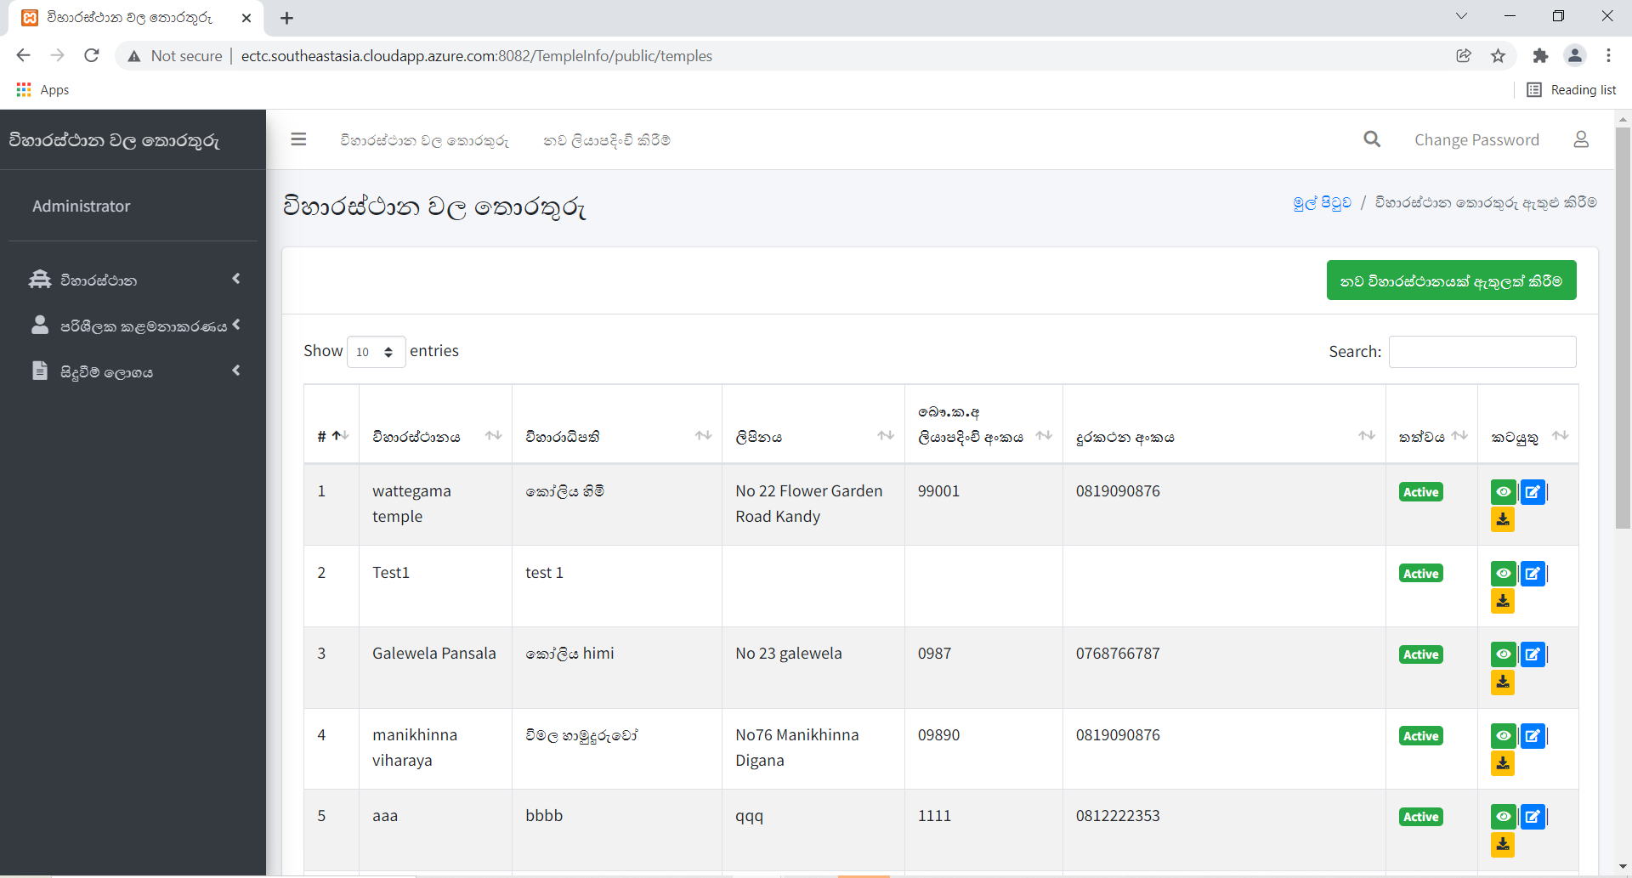
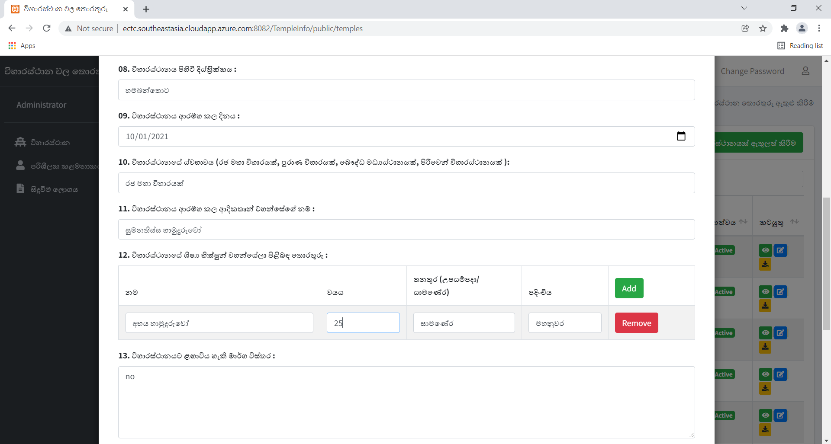
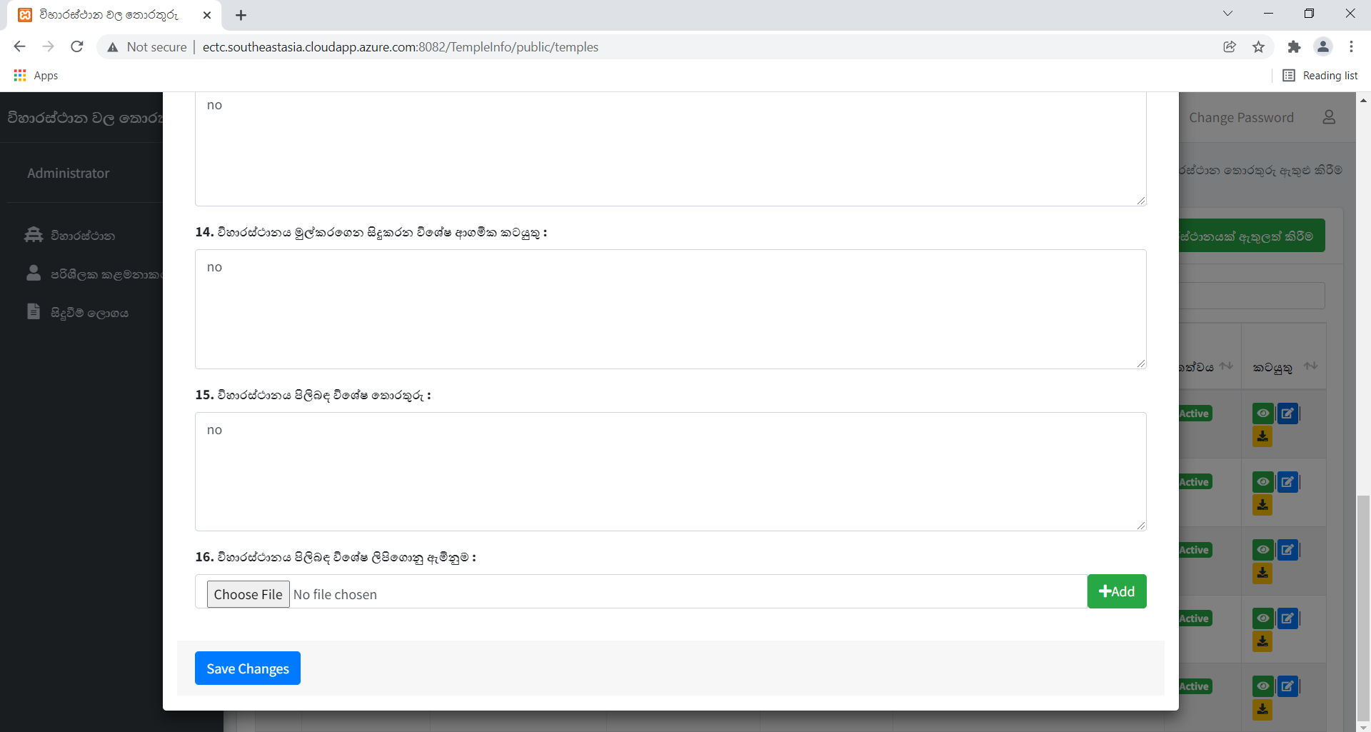
nothing happens

Screens - TA1 - TC2
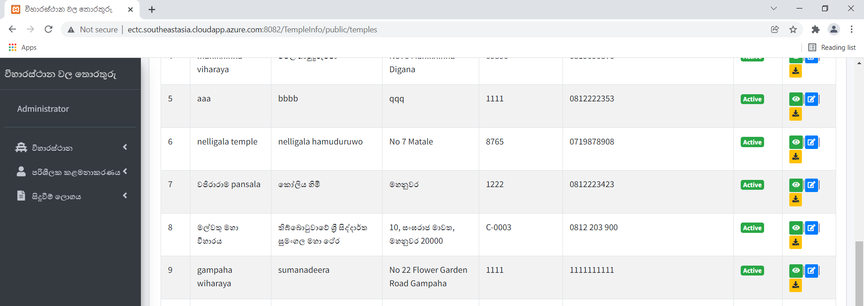
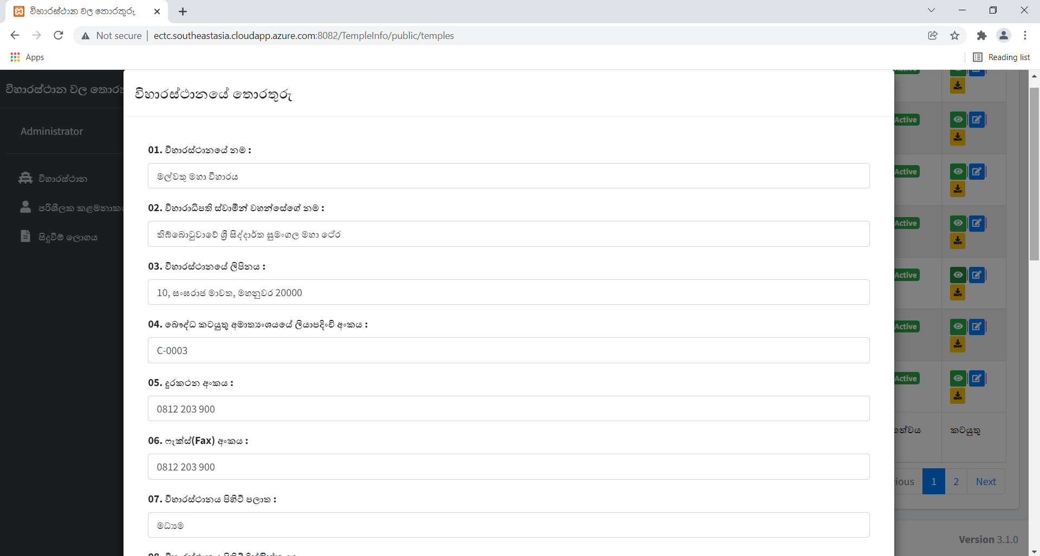
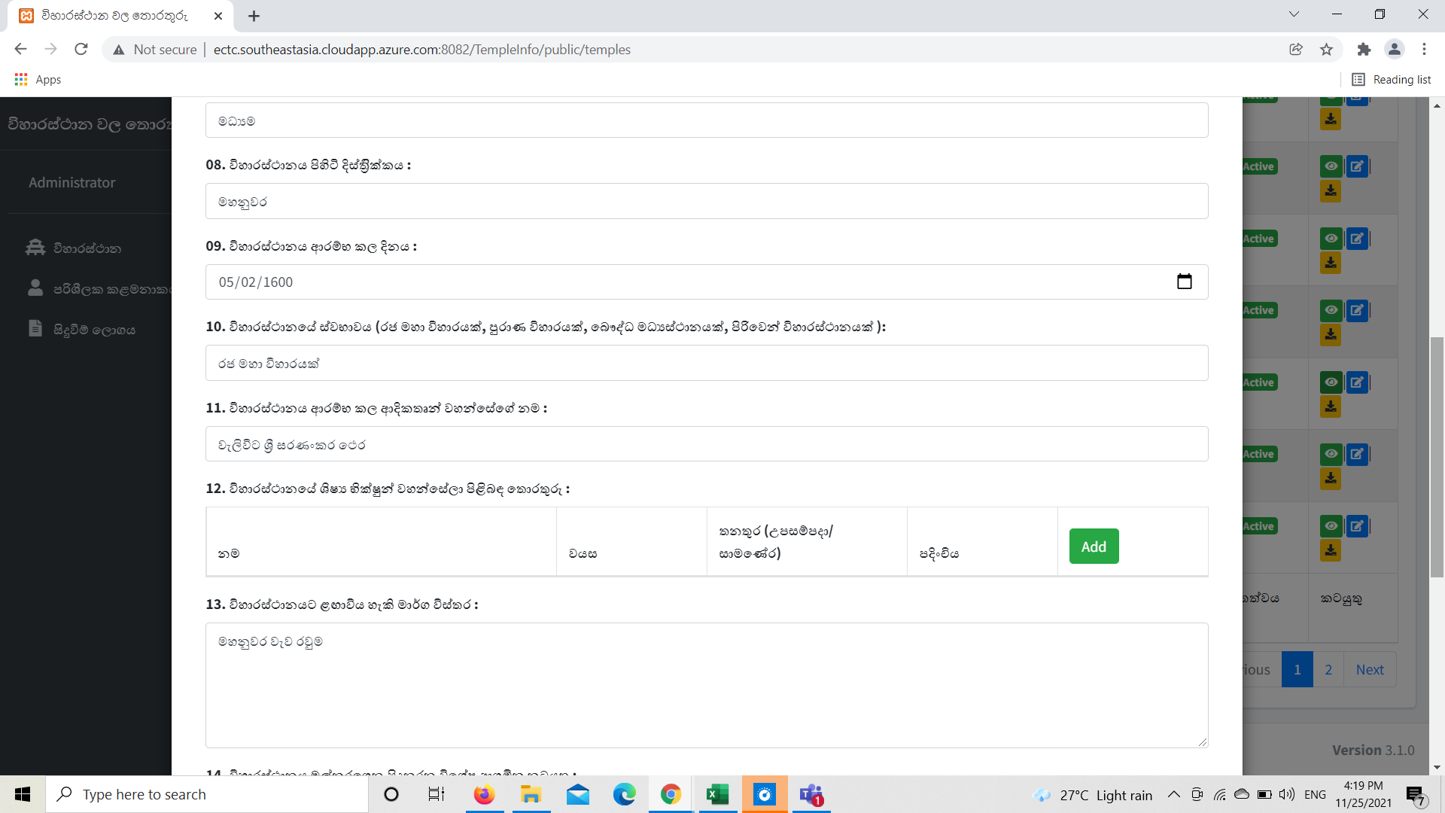
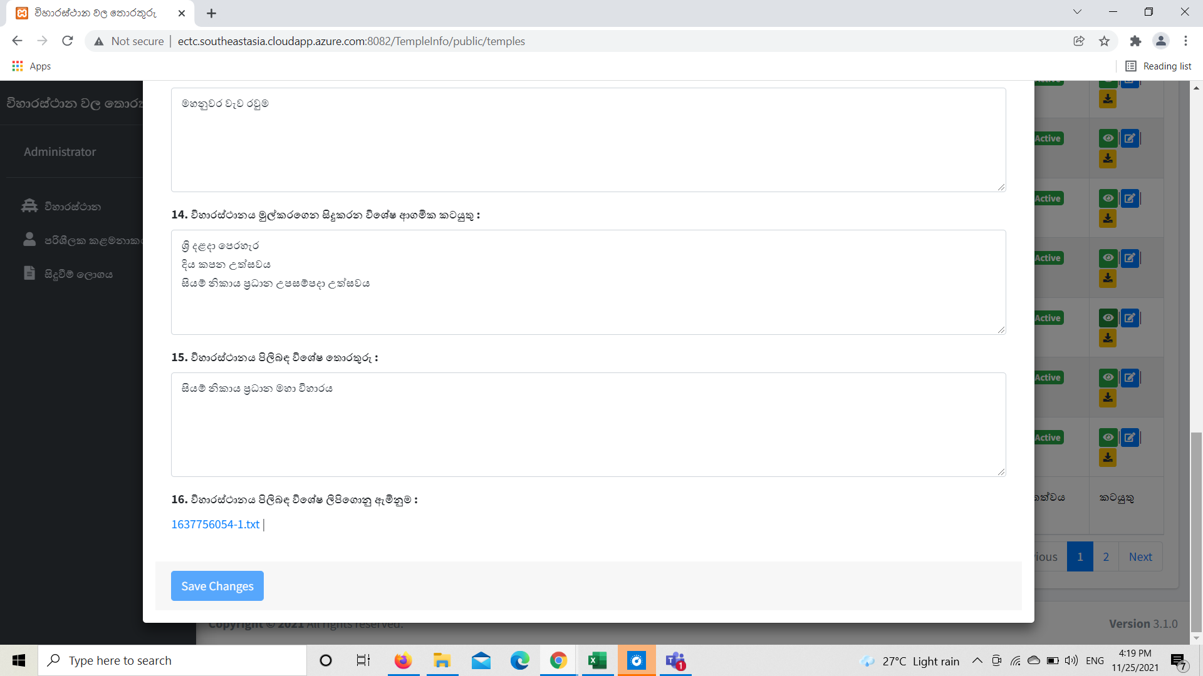
1. Update/View/download temple

Screens | Test Results
Test case 2
 | Pass

Screens - TA1 - TC3
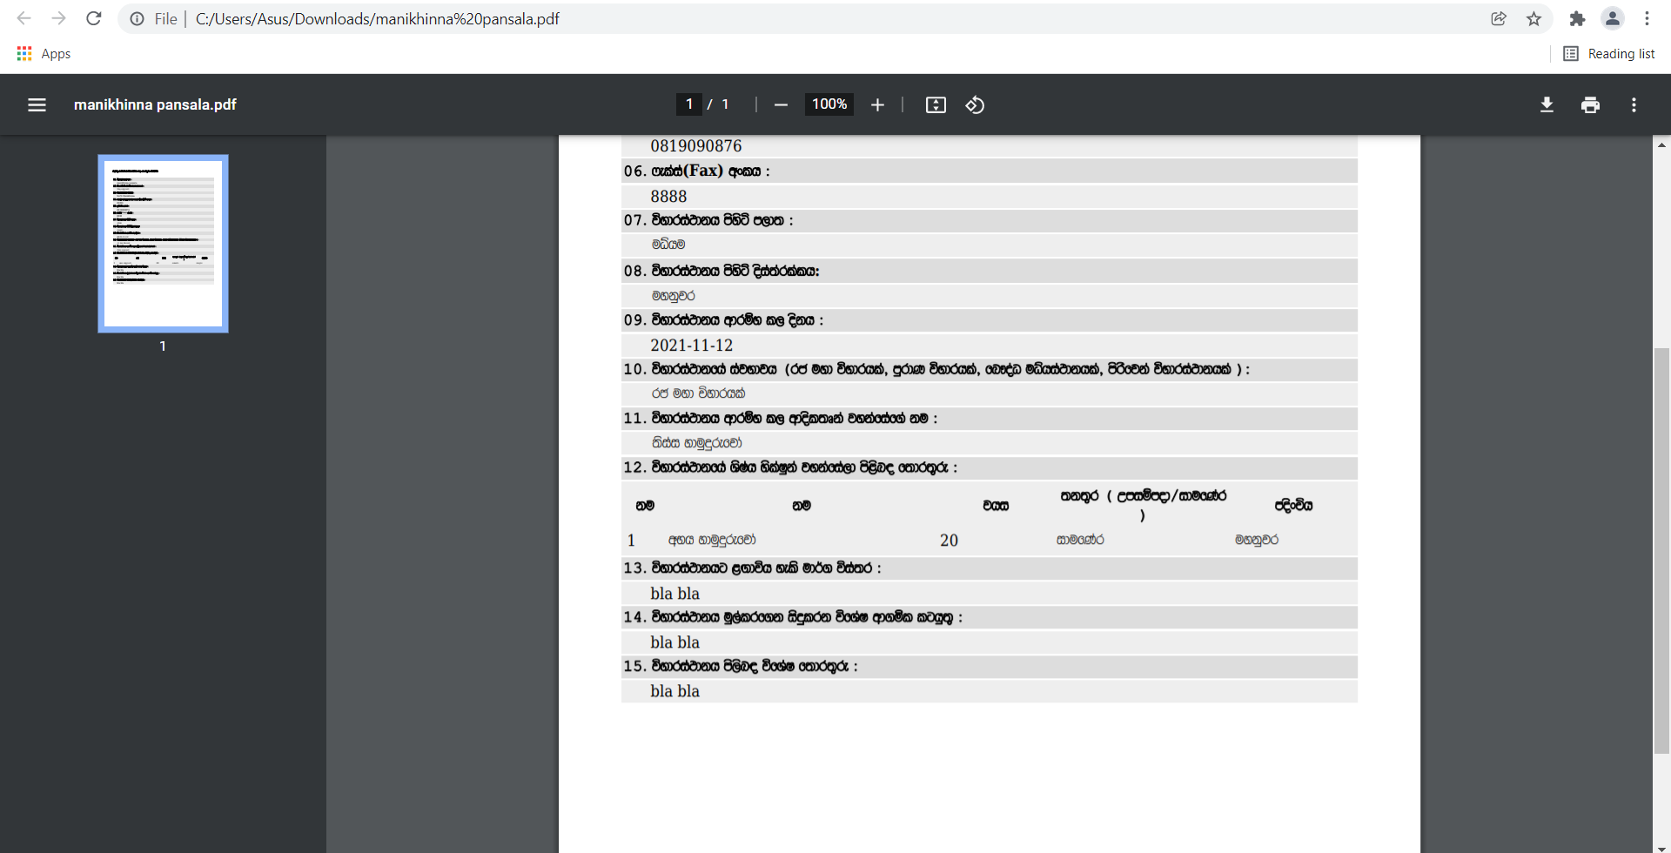
1. Update/View/download temple

Screens | Test Results
Test case 3
 | Fail

Screens - TA1 - TC4
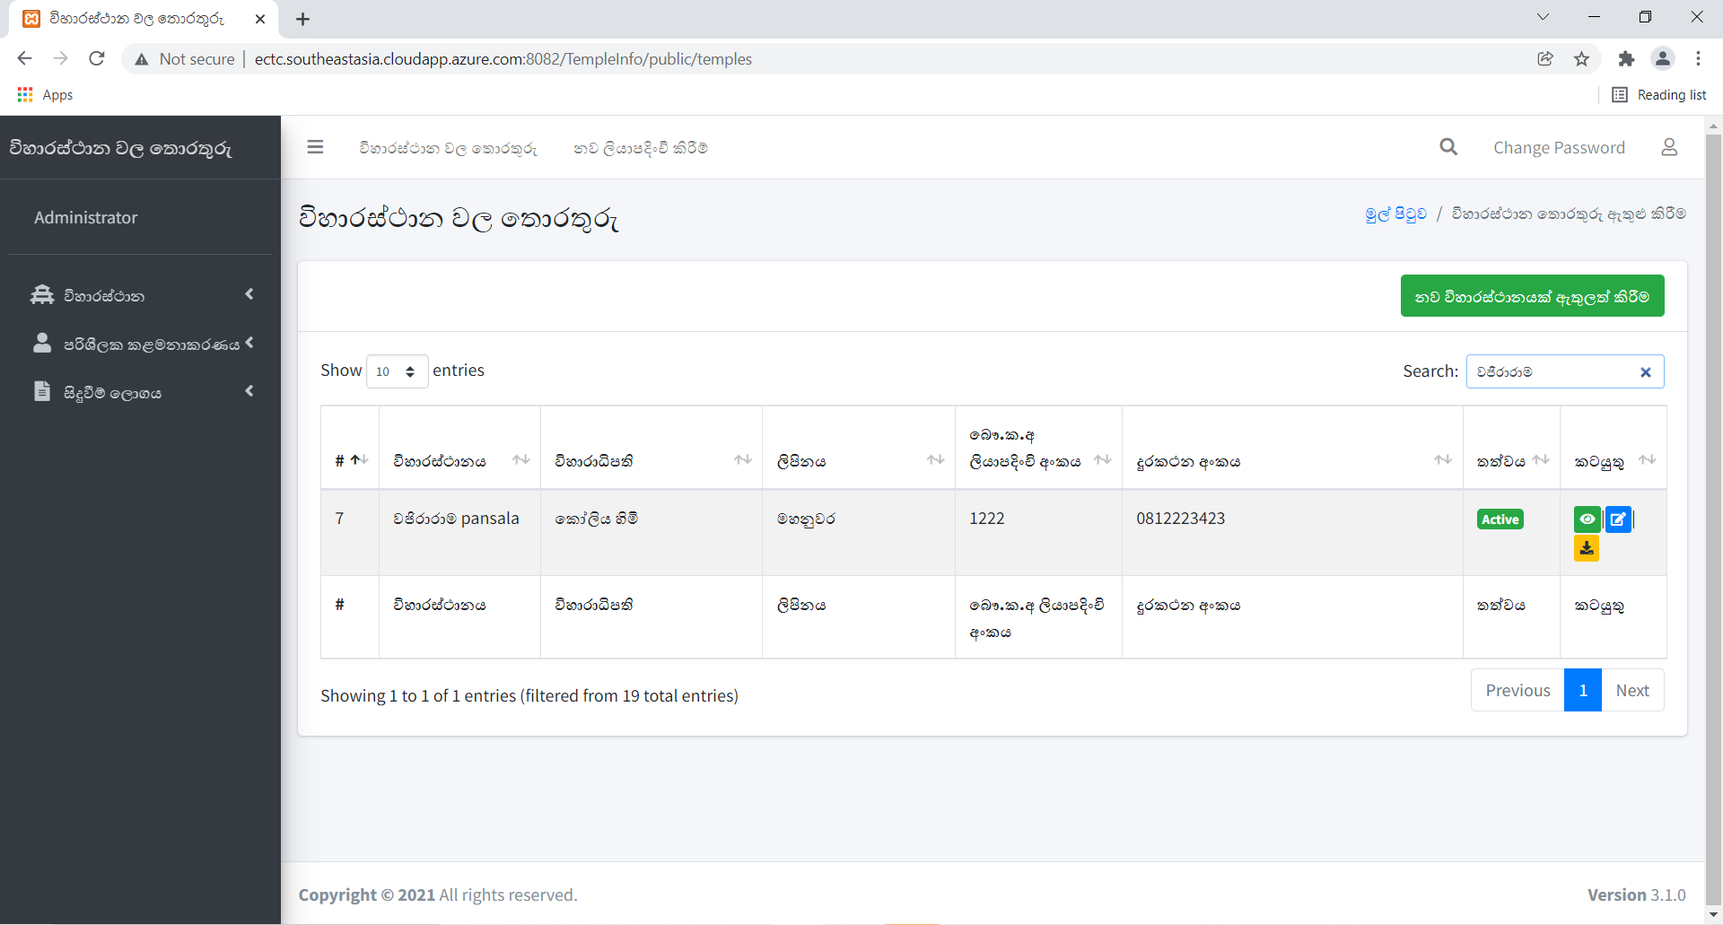
1. Update/View/download temple

Screens | Test Results
Test case 4
 | Pass

